Hoja1
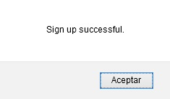
Name | Verify email
ID | #02
Rute | https://www.demoblaze.com/
Number of compilation | -
Severity | Major
Priority | High
Reported by | Pablo A. Balbo
Reported in | Browsers mobile S.O. Android 10: Chrome, Firefox, Opera
 | Desktop browsers: Firefox, Chrome, Opera
Type | Bug
Status | Active
Environment | Production
Description | The site let me log up with an email, but it doesn't verify
Steps to reproduce | 1- Enter the website
 | 2- Press "Log up"
 | 3 - Fill the field "Username" with an email
 | 4- Fill the field "Password" with any password
 | 5- Press "Log up"
Expected result | The site should send a verification email to my mailbox
Obtained result | The site let me log up without any verification
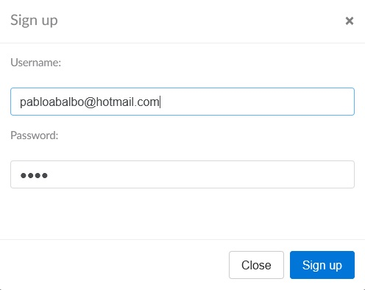
Screenshots

